Intro
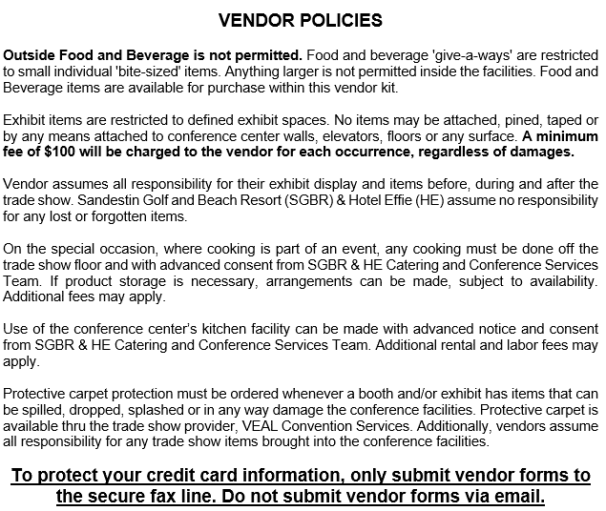
2023 TRADE SHOW VENDOR KIT

 | Alabama Defense Lawyers Assn.
June 15-17, 2023

FORMS SUBMITTED AFTER 05/15/23 ARE SUBJECT TO A 20% LATE SERVICE FEE

PLANNER SHIPPING
We are available at 1-800-844-8325 and at orders@vealco.com to assist you with any issues.
PACKAGE SHIPPING AND RECEIVING HANDLING CHARGES FOR PLANNER / CONFERENCE FREIGHT
UNLESS INSTRUCTED OTHERWISE, HANDLING FEES FOR CONFERENCE MATERIALS / PLANNER ITEMS ARE BILLED TO THE GROUP'S MASTER ACCONT
RECEIVING HANDLING FEES OUTBOUND HANDLING FEES
per piece per piece
Up to 20 lbs $20 Up to 50 lbs $20
21 - 50 lbs $40 51 - 100 lbs $40
51 - 100 lbs $60 100+ lbs $0.40 / lb
100 + lbs $0.60 / lb
Forklift Services are also available. Please contact VCS directly to arrange.
ADDITIONAL AVAILABLE SERVICES. Rates quoted in the MATERIAL HANDLING SERVICE ORDER FORM do not include any unpacking, uncrating, unskidding, positioning, leveling, blocking, spotting, bracing, installing, dismantling, repacking, recrating or reskidding. See the Forklift and Labor Order forms to order these services. On request, VCS will provide banding for securing outbound shipments at a rate of $4 per foot, plus labor (one hour minimum). Shrink wrap of a pallet will be charged at $40 per pallet. Local pickups and/or deliveries are available for $220 per hour straight-time, $330 per hour overtime (rates include truck and driver).
RETURNED SHIPMENTS TO VCS WAREHOUSE Where no disposition has been made for outbound shipments or later scheduled pickups are necessary; VCS will return exhibit materials to the warehouse and load on outbound carriers at the rate of $89 per CWT (with a minimum charge of $179) for each shipment returned. Storage is available for $4 per cubic foot per month with a monthly minimum of $64.
ADVANCE SHIPMENT LABELS
SANDESTIN CONFERENCE PACKAGE
SHIPPING / RECEIVING

ADVANCE SHIPMENT LABELS
SANDESTIN CONFERENCE PACKAGE
SHIPPING / RECEIVING

RUSH! Conference Freight RUSH! Conference Freight RUSH!
CONFERENCE / PLANNER FREIGHT
Alabama Defense Lawyers Assn.
June 15-17, 2023

From: |  | TO: | Sandestin Golf and Beach Resort
 |  |  | Shipping and Receiving Department
 |  |  | Attn: Veal Convention Services
 |  |  | 9300 Emerald Coast Parkway West
 |  |  | Miramar Beach Florida, 32550

Number | of |  | pieces

RUSH! Conference Freight RUSH! Conference Freight RUSH!
CONFERENCE / PLANNER FREIGHT
Alabama Defense Lawyers Assn.
June 15-17, 2023

From: |  | TO: | Sandestin Golf and Beach Resort
 |  |  | Shipping and Receiving Department
 |  |  | Attn: Veal Convention Services
 |  |  | 9300 Emerald Coast Parkway West
 |  |  | Miramar Beach Florida, 32550

Number | of |  | pieces

EXHIBITOR SHIPPING
SANDESTIN GOLF & BEACH RESORT
SERVICE ORDER FORM for
CONFERENCE PACKAGE
SHIPPING / RECIEVING

SHIPPING ADDRESS |  |  | Sandestin Golf & Beach Resort
 |  |  | Attn: Veal Convention Services, Inc.
 |  |  | Alabama Defense Lawyers Assn. |  |  |  |  | June 15-17, 2023
 |  |  | 9300 Emerald Coast Parkway West
 |  |  | Miramar Beach, FL 32550
Online ordering is available at: veal.boomerecommerce.com
Please call 1(800)844-8325 with any questions you may have regarding your order.
Forklift Services are also available. Please contact VCS directly to arrange.
ADDITIONAL AVAILABLE SERVICES. Rates quoted in the MATERIAL HANDLING SERVICE ORDER FORM do not include any unpacking, uncrating, unskidding, positioning, leveling, blocking, spotting, bracing, installing, dismantling, repacking, recrating or reskidding. See the Forklift and Labor Order forms to order these services. On request, VCS will provide banding for securing outbound shipments at a rate of $4 per foot, plus labor (one hour minimum). Shrink wrap of a pallet will be charged at $40 per pallet. Local pickups and/or deliveries are available for $220 per hour straight-time, $330 per hour overtime (rates include truck and driver).
RETURNED SHIPMENTS TO VCS WAREHOUSE Where no disposition has been made for outbound shipments or later scheduled pickups are necessary; VCS will return exhibit materials to the warehouse and load on outbound carriers at the rate of $89 per CWT (with a minimum charge of $179) for each shipment returned. Storage is available for $4 per cubic foot per month with a monthly minimum of $64.

ADVANCE SHIPMENT LABELS
SANDESTIN CONFERENCE PACKAGE
SHIPPING / RECEIVING

 | RUSH! Conference Freight RUSH! Conference Freight RUSH!
 | Alabama Defense Lawyers Assn.
 | June 15-17, 2023

 | From: |  |  |  | TO: | Sandestin Golf and Beach Resort
 |  |  |  |  |  | Shipping and Receiving Department
 |  |  |  |  |  | Attn: Veal Convention Services
 |  |  |  |  |  | 9300 Emerald Coast Parkway West
 |  |  |  |  |  | Miramar Beach Florida, 32550

 | Exhibiting Company: |  |  |  |  |  | Booth Number:

 | Number | of |  | pieces |  |  | Carrier:

 | RUSH! Conference Freight RUSH! Conference Freight RUSH!
 | Alabama Defense Lawyers Assn.
 | June 15-17, 2023

 | From: |  |  |  | TO: | Sandestin Golf and Beach Resort
 |  |  |  |  |  | Shipping and Receiving Department
 |  |  |  |  |  | Attn: Veal Convention Services
 |  |  |  |  |  | 9300 Emerald Coast Parkway West
 |  |  |  |  |  | Miramar Beach Florida, 32550

 | Exhibiting Company: |  |  |  |  |  | Booth Number:

 | Number | of |  | pieces |  |  | Carrier:

These shipping labels are provided for your convenience to assist in preparing shipments to the advance warehouse.
Please cut along the dashed lines and affix one to each piece of your shipment to the advance warehouse. Please
make additional copies of these labels as needed.

NOTE: Warehouse is not temperature controlled. Hazardous materials will not be accepted at warehouse.

